Reset IC
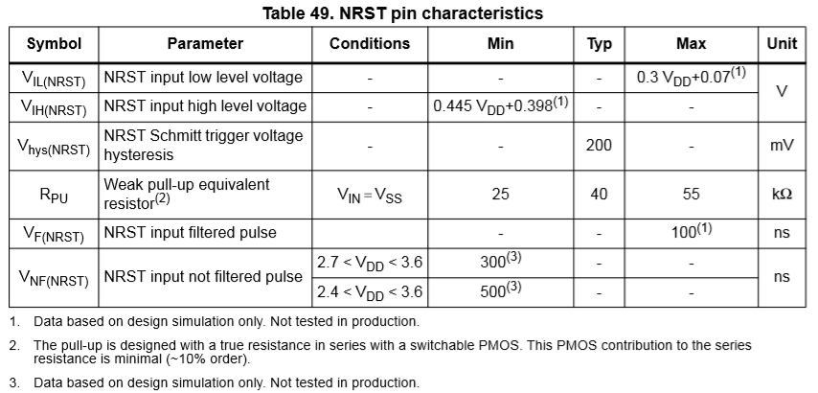
MCU NRST Voltage detection threshold
 | VDD | 3.3
 | VIH | 1.87
 | VIL | 1.06

Reset IC operation
 | Vcc | /RESET
 | 3.3 | 3.3
 | 3.2 | 3.2
 | 3.1 | 3.1
 | 3.0 | 3.0
 | 2.9 | 2.9
 | 2.8 | 2.8
 | 2.7 | 2.7
 | 2.6 | 0.0
 | NRST의 High level이 1.87이므로 /RESET 2.7V도 High로 인식한다.

 |  |  | 23ㅛㅓ

